Sheet1
 |  |  | Financial Sentiment Analysis

Model | Accuracy |  | Confusion Matrix

Logistic Regression | Training | 99%
 | Testing | 84%

Naive Bayes Classification | Training | 91%
 | Testing | 74%

Random Forest Classification | Training | 99%
 | Testing | 86%

SVC | Training | 96%
 | Testing | 78%

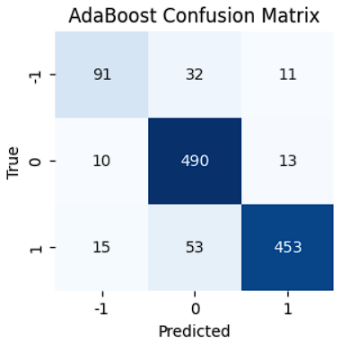
AdaBoost Classification | Training | 100%
 | Testing | 88%

